1. Title Page
[Project Name]

Project Name: Instacart Grocery Basket Analysis
Date: 01Nov 2023
Analyst Name: Sonali Avinash

Contents:
Population Flow
Consistency checks
Wrangling steps
Column derivations
Visualizations
Recommendations

2. Population Flow
 | Title page

Population flow

Exclusion flag
Condition: max_order <
Obervations to be removed:
Final total count of order_products_all:

Orders_products_combined
Orders_products_merged
Orders_products_all

Total: 32,640,698 rows
Total : 32,642,461 rows
Total:
32,848,670 rows

1.) The grey boxes in the first row of the population flow represent the original data sets as they were when you downloaded them. In the Total fields you need to add the count of the rows when you imported the data set into Jupyter.
2.) The second row of boxes (coloured) represents the data sets after you manipulated them, e.g., removed missing values and duplicates. In the Total fields you need to add the count of the rows after conducting these operations. This offers a visual oveview of how the data flows throughout the data consistency checks.
3.) The third row, where also the arrows are coloured, represents the merges you performed between the datasets. In the Total fields you need to add the count of the rows in the merged datasets, so that you end up with the final dataset (in the red box). Keep in mind the final dataset should be without exclusions (based on the exclusion flag).

3. Consistency checks
 |  |  |  | Title page
Consistency checks

Dataset | Missing values | Missing values treatment | Duplicates
orders | 206209 | replaced with mean | No duplicates found
products | 16 | removed | find 5 duplicates and removed
orders_products_prior | No missing value |  | No duplicates found
customers | 11259 | leave as it is | No duplicates found

4. Wrangling steps
 |  |  |  | Title page
Wrangling steps

Columns dropped | Columns renamed | Columns' type changed | Comment/Reason
eval_set |  |  | removed from 'order'dataframe, no need for analysis

 |  | User_id | changed to float- because of indicator column
 |  | First_name | change to string

 | surnam |  | renamed to Last_name for clearity
 | fam_status |  | renamed to Family_status for clearity
 | Age |  | renamed to Age(yrs) for clearity
 | date_joined |  | renamed to date_of_join for clearity
 | income |  | renamed to Income ($) for clearity
 | n_of-dependents |  | renamed to No_of_dependents for clearity

6. Visualizations
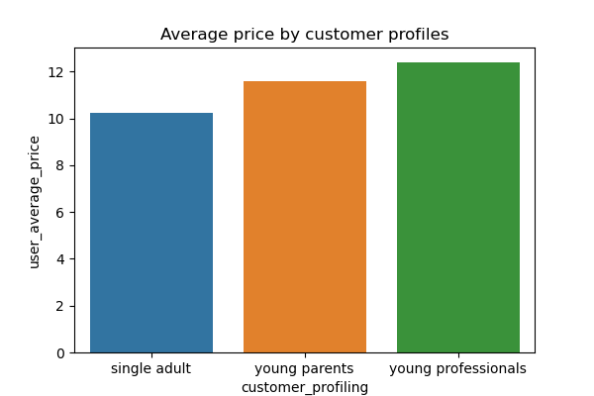
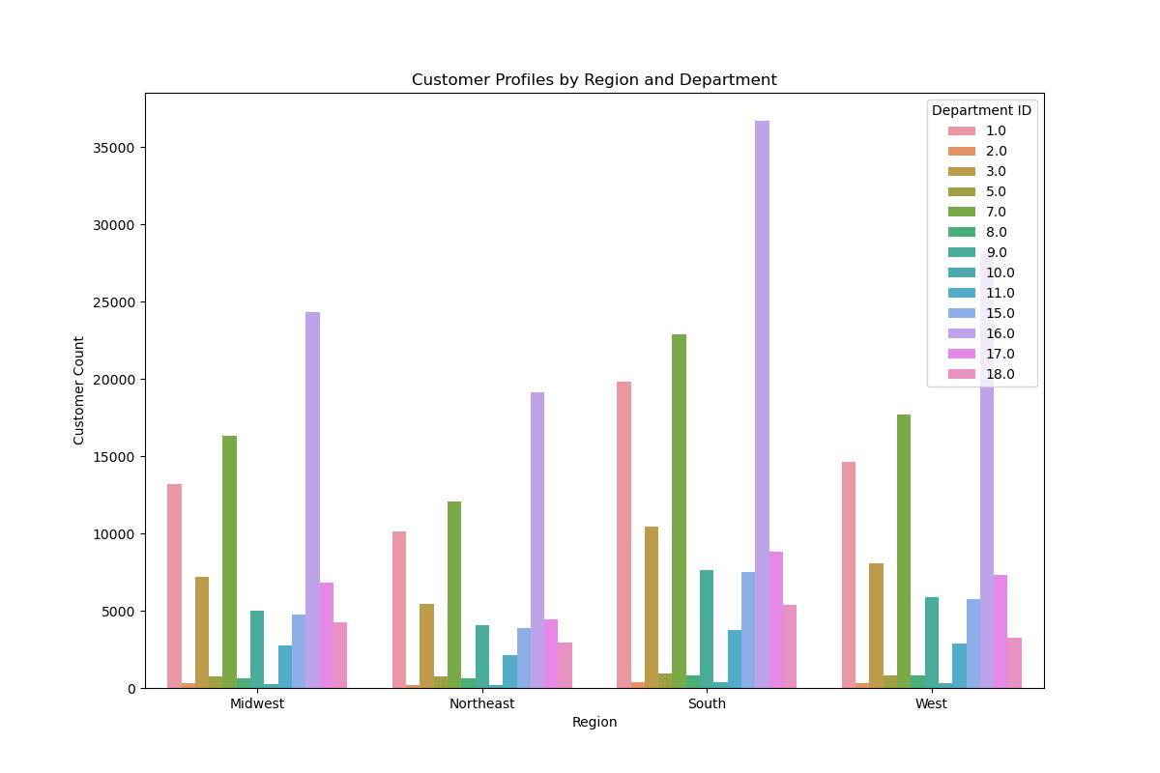
Title page

Visualisations

In this tab you should include all the visualtions from Exercises 4.9 and 4.10, alongside the questions from the project brief that they answer. Include any commentary on the relationship between different variables.

1.The sales team needs to know what the busiest days of the week and hours of the day are (i.e., the days and times with the most orders) in order to schedule ads at times when there are fewer orders.

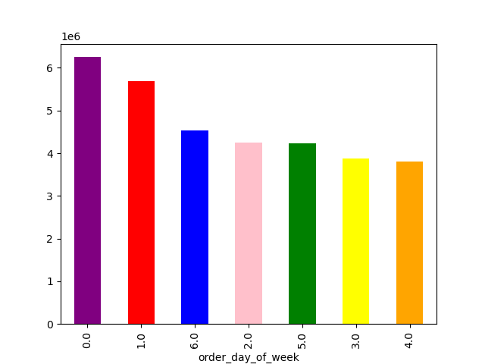


In the above visualization, X-axis shows the order_hour_of_day and y_axis shows the frequency of orders. Here, Most of the customer place order between 8 to 17, and after that order frequency is decreased.

In the above visualization, It shows the days of week and orders. Saturday and Sunday are the most busiest days of week.

2. They also want to know whether there are particular times of the day when people spend the most money, as this might inform the type of products they advertise at these times.

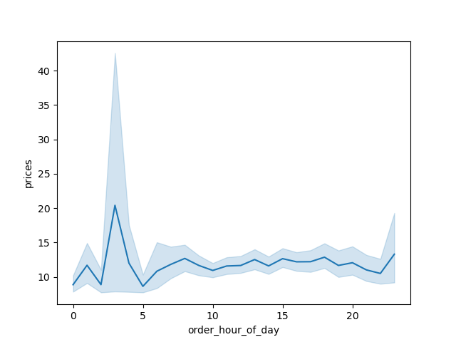

The above visualization shows, In the morning time around 3 AM, the most expensive products are ordered.

3. Instacart has a lot of products with different price tags. Marketing and sales want to use simpler price range groupings to help direct their efforts.



Here, X axis shows the prices. The product that have the prices between $1 to $15, have highest order frequency.

4. Are there certain types of products that are more popular than others? The marketing and sales teams want to know which departments have the highest frequency of product orders.

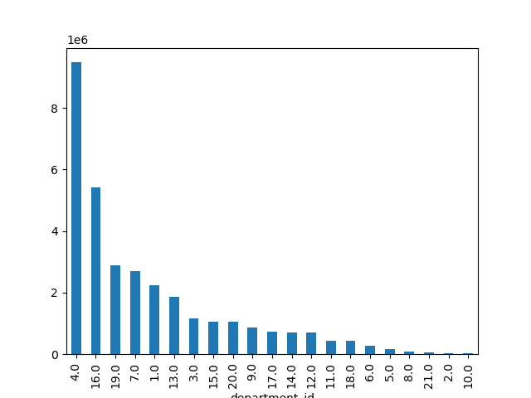

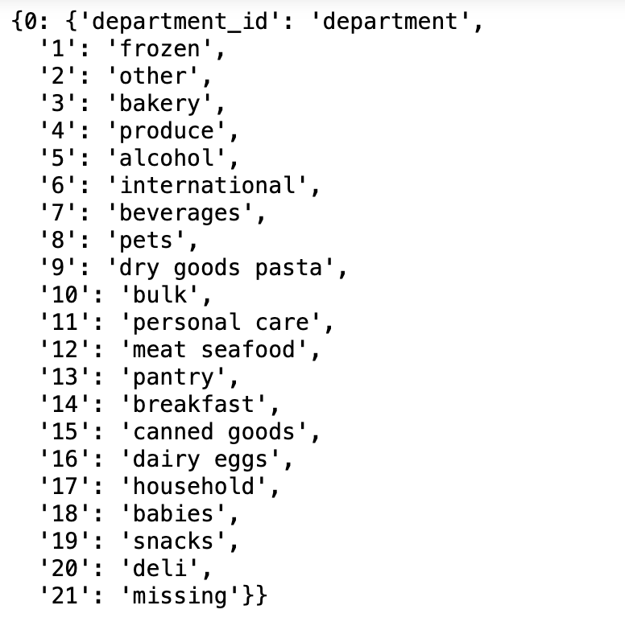

Produce department is more popular among the customers and
bulk department has the least orders.

5. What’s the distribution among users in regards to their brand loyalty (i.e., how often do they return to Instacart)?

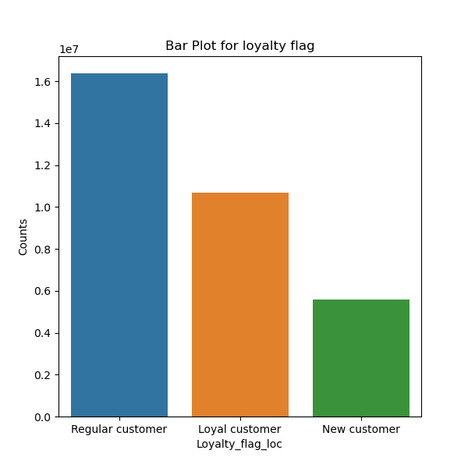

Regular customer orders more than loyal customer.

6. Are there differences in ordering habits based on a customer’s region?

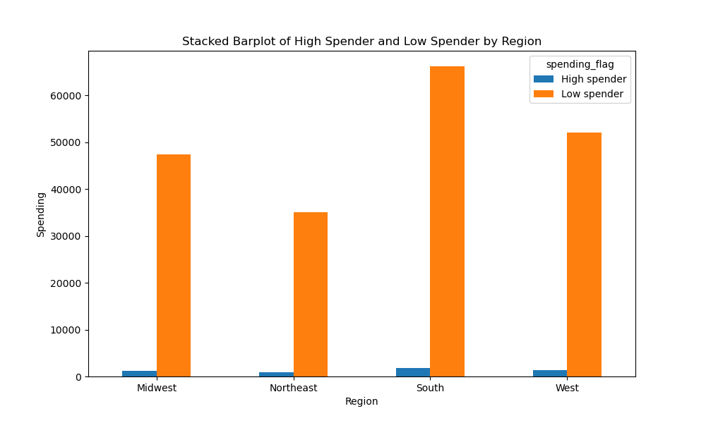

South region has the most orders in the comparison of any other regions.

7. What different classifications does the demographic information suggest?


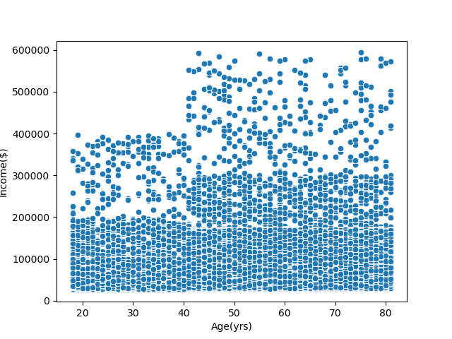

There is a strong corelation between age and income, and the people of 20 and 60 age groups has more dependants than other age group.

8 .What differences can you find in ordering habits of different customer profiles?

